Tabelle1
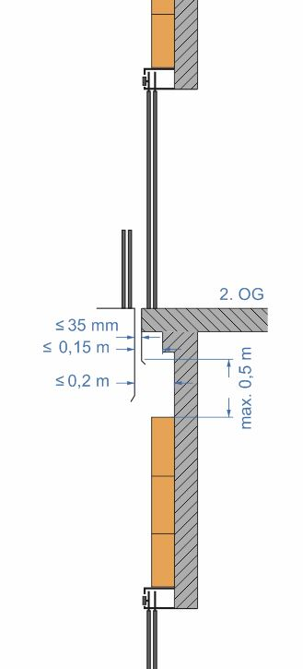
Shaft height (m) | 18.00 |  | Hard foam boards
Door or shaft width (m) | 1.25 |  | Dimensions
Gross shaft surface (m²) | 22.50 |  | Board width (m) |  | 1.250
Number of doors | 3 |  | Board height (m) |  | 0.600
Door height (m) + 0,65 m | 2.85 |  | Board thickness (mm) |  | 60 or 100
Door surfaces (m²) | 10.69
Net shaft height (m) | 9.45 |  | Minimum required board thickness (in total)
Net shaft surface (sqm) | 11.81
Distance between inner shaft wall and threshold | 290 | Both board thickness must bei used! | 140
Minimum number of hard foam boards (60 mm) | 16 |  | Number of adhesive cartridges |  | 3 (2,37)
Minimum number of hard foam boards (100 mm) | 16 |  | Number of hard foam plate holders |  | 47 (62)
Package content 60 mm | 7 |  | Effective: | 21 | Boards
Number of packages | 2.29 |  |  | 3 | Packages
Package content 100 mm | 4 |  | Effective: | 16 | Boards
Number of packages | 4.00 |  |  | 4 | Packages

Board rows | 16
Number of boards per row | 1
 | (1)
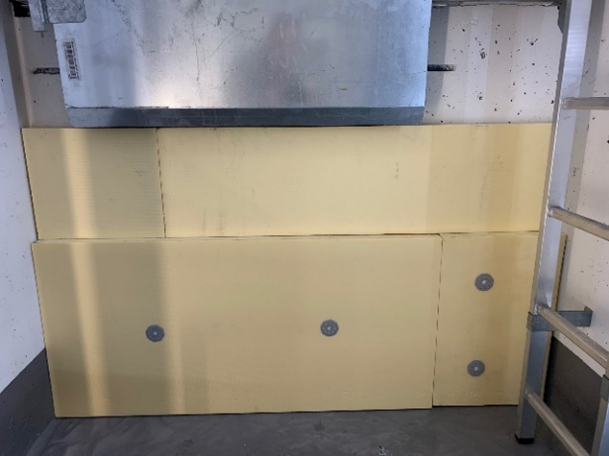
 |  |  | Arrangement of hard foam plate holder

 |  |  | Quantity standard version | Quantity shown in parentheses

